Sheet1
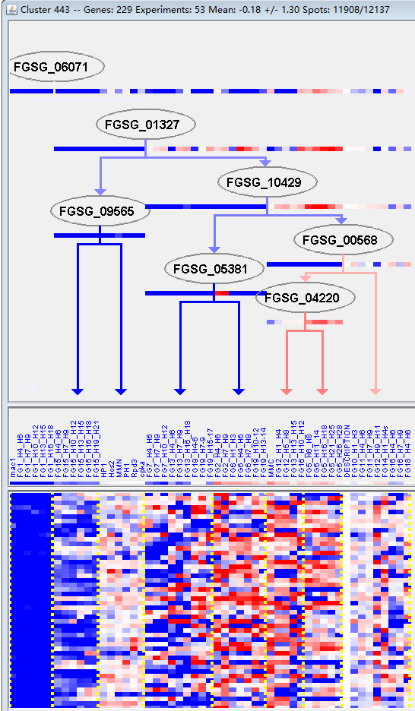
k | Filter | FUNCTIONAL CATEGORY | abs SET | rel SET | genes SET | abs GENOME | rel GENOME | rel SET/rel GENOME | P-VALUE | Bonferroni_corr | FDR
20.03 transport facilities | 22 | 11.8 | FGSG_01407 FGSG_01946 FGSG_01986 FGSG_01995 FGSG_02137 FGSG_04598 FGSG_04544 FGSG_04517 FGSG_04023 FGSG_03889 FGSG_03814 FGSG_12415 FGSG_03447 FGSG_03140 FGSG_03090 FGSG_12795 FGSG_07771 FGSG_08823 FGSG_09471 FGSG_10570 FGSG_10706 FGSG_11057 | 808 | 5.84 | 2.020547945 | 0.00118272
32.07 detoxification | 16 | 8.64 | FGSG_01816 FGSG_04517 FGSG_03814 FGSG_03657 FGSG_03447 FGSG_03090 FGSG_12795 FGSG_07318 FGSG_07529 FGSG_08823 FGSG_13445 FGSG_08066 FGSG_09054 FGSG_10571 FGSG_10706 FGSG_11387 | 520 | 3.76 | 2.29787234 | 0.0016812
01.01.06.06 metabolism of lysine | 4 | 2.16 | FGSG_03174 FGSG_02924 FGSG_05678 FGSG_09521 | 55 | 0.39 | 5.538461538 | 0.006220479
02.16.01 alcohol fermentation | 4 | 2.16 | FGSG_03136 FGSG_04703 FGSG_07318 FGSG_08066 | 56 | 0.4 | 5.4 | 0.006630265
02 ENERGY | 16 | 8.64 | FGSG_02137 FGSG_04045 FGSG_04038 FGSG_03136 FGSG_02920 FGSG_04703 FGSG_05592 FGSG_07318 FGSG_07389 FGSG_07505 FGSG_08585 FGSG_08125 FGSG_08066 FGSG_08960 FGSG_09696 FGSG_11387 | 609 | 4.4 | 1.963636364 | 0.007747041
30.05.01.18.01 TGF-beta-receptor signalling pathway | 2 | 1.08 | FGSG_02418 FGSG_08519 | 11 | 0.07 | 15.42857143 | 0.009046713
32.07.05 detoxification by export | 6 | 3.24 | FGSG_03814 FGSG_03447 FGSG_03090 FGSG_07529 FGSG_08823 FGSG_10706 | 139 | 1 | 3.24 | 0.010979765
16.21.07 NAD/NADP binding | 8 | 4.32 | FGSG_02137 FGSG_02418 FGSG_03880 FGSG_03174 FGSG_08519 FGSG_08125 FGSG_09054 FGSG_09696 | 231 | 1.67 | 2.586826347 | 0.012592548
20.09.18.07 non-vesicular cellular import | 9 | 4.86 | FGSG_01407 FGSG_01986 FGSG_04544 FGSG_03889 FGSG_12415 FGSG_03140 FGSG_07771 FGSG_10570 FGSG_11057 | 278 | 2.01 | 2.417910448 | 0.012593459
02.16 fermentation | 5 | 2.7 | FGSG_03136 FGSG_04703 FGSG_07318 FGSG_08066 FGSG_11387 | 109 | 0.78 | 3.461538462 | 0.015517778
20.01.23 allantoin and allantoate transport | 4 | 2.16 | FGSG_01986 FGSG_03889 FGSG_12415 FGSG_07771 | 75 | 0.54 | 4 | 0.018054116
20.03.02.03 antiporter | 4 | 2.16 | FGSG_01946 FGSG_01995 FGSG_03814 FGSG_03090 | 75 | 0.54 | 4 | 0.018054116
01.20.05.09 metabolism of eicosanoids | 2 | 1.08 | FGSG_02418 FGSG_08519 | 17 | 0.12 | 9 | 0.021225317
20.01.27 drug/toxin transport | 6 | 3.24 | FGSG_03814 FGSG_03447 FGSG_03090 FGSG_07529 FGSG_08823 FGSG_10706 | 171 | 1.23 | 2.634146341 | 0.027500243
32.05.01 resistance proteins | 6 | 3.24 | FGSG_03814 FGSG_03447 FGSG_07529 FGSG_08823 FGSG_09054 FGSG_10706 | 172 | 1.24 | 2.612903226 | 0.028189488
30.05.02 non-enzymatic receptor mediated signalling | 4 | 2.16 | FGSG_02418 FGSG_08519 FGSG_10431 FGSG_10601 | 86 | 0.62 | 3.483870968 | 0.028198454
01.01.06.06.02 degradation of lysine | 2 | 1.08 | FGSG_02924 FGSG_05678 | 20 | 0.14 | 7.714285714 | 0.028888117
30.05.01.18 transmembrane receptor protein serine/threonine kinase signalling pathways | 2 | 1.08 | FGSG_02418 FGSG_08519 | 21 | 0.15 | 7.2 | 0.031652657
01.01.06 metabolism of the aspartate family | 5 | 2.7 | FGSG_03174 FGSG_02924 FGSG_04703 FGSG_05678 FGSG_09521 | 137 | 0.99 | 2.727272727 | 0.036954866
01.02.07.03 regulation of sulphur metabolism | 1 | 0.54 | FGSG_10601 | 3 | 0.02 | 27 | 0.039609864
20.01.25 vitamine/cofactor transport | 4 | 2.16 | FGSG_01986 FGSG_03889 FGSG_12415 FGSG_07771 | 97 | 0.7 | 3.085714286 | 0.041156019
20.03.02 carrier (electrochemical potential-driven transport) | 5 | 2.7 | FGSG_01946 FGSG_01995 FGSG_04544 FGSG_03814 FGSG_03090 | 142 | 1.02 | 2.647058824 | 0.04206681
01.01.09.04.01 biosynthesis of phenylalanine | 3 | 1.62 | FGSG_03880 FGSG_03136 FGSG_13445 | 61 | 0.44 | 3.681818182 | 0.048219347

20.03运输工具
32.07解毒

